Connectors
Order of Operation |  | Grbl Esp32 | Torch Esp32 | Jumper | Active |  | Connectors | pins | Signal | Jumper | GBRL | TCH

Start |  |  |  |  |  |  | THC Display |  |  |  |  |  | ;begin probe for ITH. THT=10.6mm
Fast move G0 X Y to start cut |  |  |  |  |  |  |  | 1 | 3.3v |  |  |  | G21 G91 (metric and relative)
Move Z to probe soft limit switch | Alimit | 34 |  |  | Low | Module 1 RJ45 pin7 |  | 2 | gnd |  |  |  | G38.2 Z-35 F800 (probe fast from safe retract, 24mm+THT)
Move Up .05" |  |  |  |  |  |  |  | 3 | Rxd |  |  |  | G1 Z12.6 (fast retract 2mm+THT)
Fire Laser Which Hands Z control to THC Mcode | Handover | 26 | 12 |  | High |  |  | 4 | Txd |  |  |  | G38.2 Z-14.6 F400 (slow probe max -2mm -last retract)
Send Plasma Trigger | TorchTrigger |  | 32 |  | High | Module3 J1 pin1 &2 | Hold | 5 | Climit | J4 - 1 | GIO36 | TIO33 | G1 Z13.1 F800 (fast retract to ITH, 2.5mm+THT, 150%-200% of cut height)
G4 Dwell or GRBL hold pin pulse low pulse from Torch to Grbl | GRBL hold | Climit 36 | 33 | J1-1 to J4-1 | Low pulse |  | Go | 6 | Blimit | J4 - 2 | Gio39 | TIO325 | M3
Send Z Enable from THC |  |  | 19 |  | High | Servo Z3 RJ45 pin1 |  | 7 |  |  |  | TIO16 | G4 P1.5 (pierce delay, THC delay s/b this+1.0)
When THC receive ToReady | TorchReady |  | 14 |  | High |  |  | 8 | gnd |  |  |  | G1 F3400 (restore feed rate and move mode)
Pulse low to Grbl to Go | Pulse Go to GRBL | B Limit 39 | 25 | J1-2 to J4-2 | Low pulse |  |  |  |  |  | Hypertherm |  | ;end probe ITH
Gcode X Y |  |  |  |  |  |  | Torch Module#3 RJ45 | 1 | Relay Com |  | 3
M code turn off laser Z control back to GRBL |  |  |  |  |  |  |  | 2 | Relay NO |  | 4
G4 Dwell |  |  |  |  |  |  |  | 3 | Plasma V- |  | 6
Trigger off |  |  | 32 |  | Low |  |  | 4 | Plasma V+ |  | 5
Z enable Off |  |  | 19 |  | Low |  |  | 5
Z up 1" |  |  |  |  |  |  |  | 6
Fast move G0 X Y to start cut |  |  |  |  |  |  |  | 7 | 15v |  | 14
Repeat line 8 to 21 |  |  |  |  |  |  | Go | 8 | To Ready |  | 15

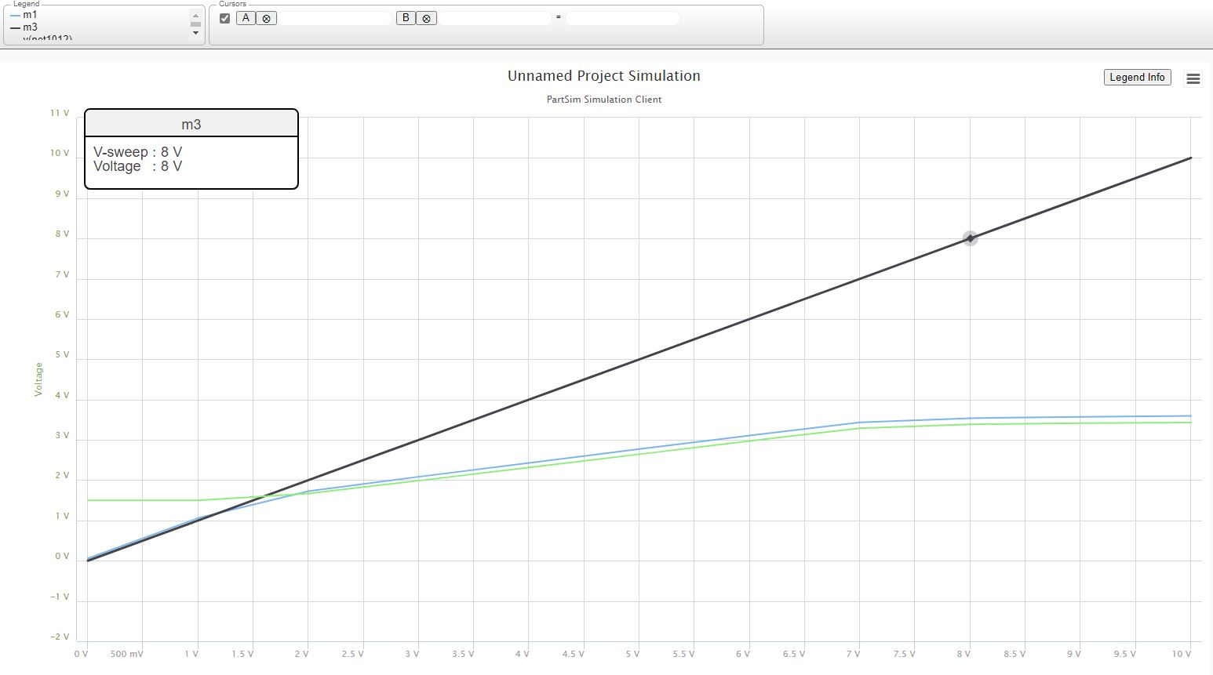
 |  |  |  |  |  |  | Header 1x12 | 1 | gnd
 |  |  |  |  |  |  |  | 2 | 15v
 |  |  |  |  |  |  |  | 3 | Vcc
 |  |  |  |  |  |  |  | 4 | Handover 9 |  | GIO26 | TIO12
 |  |  |  |  |  |  |  | 5 |  |  | GIO04
 |  |  |  |  |  |  |  | 6 |  |  | GIO16
 |  |  |  |  |  |  | Go | 7 |  |  | GIO27
 |  |  |  |  |  |  |  | 8 | Ready |  |  | TIO14
 |  |  |  |  |  |  |  | 9 | Handover 4 |  | GIO26 | TIO12
 |  |  |  |  |  |  |  | 10 | Plasma V |  |  | TIO36
 |  |  |  |  |  |  |  | 11 | Plasma Trig |  |  | TIO32
 |  |  |  |  |  |  |  | 12 | gnd

 |  |  |  |  |  |  | Servo RJ45 | 1 | 15v
 |  |  |  |  |  |  |  | 2 | Enable
 |  |  |  |  |  |  |  | 3 | 15v
 |  |  |  |  |  |  |  | 4 | Step
 |  |  |  |  |  |  |  | 5 | 15v
 |  |  |  |  |  |  |  | 6 | Dir
 |  |  |  |  |  |  |  | 7 | 15v
 |  |  |  |  |  |  |  | 8 | CS
 |  |  |  |  |  |  |  | 9 | Shield
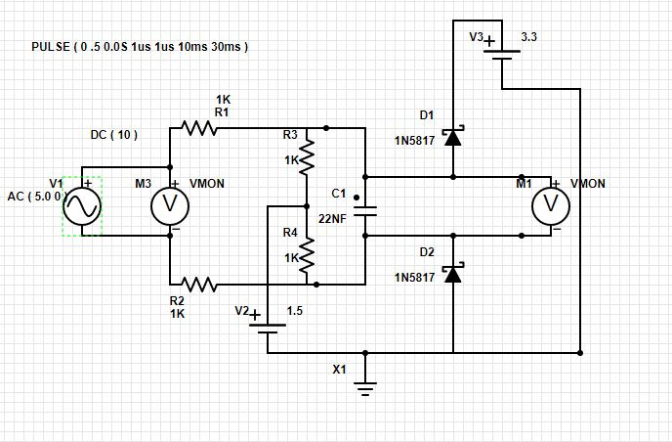
 |  |  |  |  |  |  |  | 10 | Shield

 |  |  |  |  |  |  | Zlimit Module RJ45 | 1 | 15v
 |  |  |  |  |  |  | Module 1 | 2 | Zlimit | Probe SW
 |  |  |  |  |  |  |  | 5 | 15v
 |  |  |  |  |  |  |  | 6 | Alimit | Hard SW
 |  |  |  |  |  |  |  | 9,10 | Shield

 |  |  |  |  |  |  | Header 1x12 | 1 | gnd
 |  |  |  |  |  |  |  | 2 | 15v
 |  |  |  |  |  |  |  | 6 | ALimit
 |  |  |  |  |  |  |  | 7 | Zlimit
 |  |  |  |  |  |  |  | 12 | gnd

 |  |  |  |  |  |  | JTAG IO RJ45 | 1 | VCC
 |  |  |  |  |  |  | Module 2 | 2 | J10-4 | GPIO 2 |  | Reset
 |  |  |  |  |  |  |  | 3 | J10-5 | GPIO 25 |  | Macro 0
25 |  |  |  |  |  |  |  | 4 | J10-6 | GPIO 39 | B Limit | Hold
 |  |  |  |  |  |  |  | 5 | J10-7 | GPIO 36 | C Limit | Start
 |  |  |  |  |  |  |  | 6 | J10-8 | GPIO 14 |  | Macro1
 |  |  |  |  |  |  |  | 7 | J10-9 | GPIO 13 |  | Macro 2
 |  |  |  |  |  |  |  | 8 | GND

 |  |  |  |  |  |  | JTAG | 1 | 3.3v | VCC
 |  |  |  |  |  |  |  | 2 | TMS | GPIO14
 |  |  |  |  |  |  |  | 3 | GND | J10-1
 |  |  |  |  |  |  |  | 4 | TCK | GPIO13
 |  |  |  |  |  |  |  | 5 | GND | J10-1
 |  |  |  |  |  |  |  | 6 | TDO | GPIO15
 |  |  |  |  |  |  |  | 8 | TDI | GPIO12
 |  |  |  |  |  |  |  | 9 | GND | J10-1
 |  |  |  |  |  |  | J17 | 1 | RJ-7 | Could be jumpered
 |  |  |  |  |  |  |  | 2 | RJ-8 | from ESP32 reset
 |  |  |  |  |  |  | J18 | 1 | RJ-3
 |  |  |  |  |  |  |  | 2 | RJ-4

 |  |  |  |  |  |  | THC ESP32 Module | 1 |  |  |  | Gnd
 |  |  |  |  |  |  | A/D | 2 |  |  |  | Vdrive
 |  |  |  |  |  |  |  | 3 |  |  |  | VCC
 |  |  |  |  |  |  |  | 4 | CLIM | J1-J4 Juper |  | TIO33
 |  |  |  |  |  |  |  | 5 | BLIM | J1-J4 Juper |  | TIO25
 |  |  |  |  |  |  |  | 6 | ALIM | J1-J4 Juper |  | TIO26
 |  |  |  |  |  |  |  | 7 | ZLIM | J1-J4 Juper |  | TIO27
 |  |  |  |  |  |  |  | 8 | PLASMA VOLTAGE |  |  | TIO36
 |  |  |  |  |  |  |  | 9 | 12S |  |  | TI017
 |  |  |  |  |  |  |  | 10 | I2S SDA |  |  | TIO21
 |  |  |  |  |  |  |  | 11 | I2S SCL |  |  | TIO22
 |  |  |  |  |  |  |  | 12 |  |  |  | GND

Torch Module
input | output
0.5 | 0.559
1 | 1.059
1.5 | 1.51
2 | 1.73
2.5 | 1.91
3 | 2.09
3.5 | 2.26
4 | 2.425
4.5 | 2.6

